1. Title Page
Grocery Basket Analysis

Project Name: InstaCart Grocery Basket Analysis
Date: 5th February, 2023
Analyst Name: Megan Eichelberger

Contents:
Population Flow
Consistency checks
Wrangling steps
Column derivations
Visualizations
Recommendations

2. Population Flow
 | Title page

Population flow

Exclusion flag
Condition: max_order < 5
Obervations to be removed:
Final total count of order_products_all: 30,964,564

Orders_products_combined
Orders_products_merged
order_products_all

Total: 32,404,859
Total: 32,434,489
Total:
30,964,564

1.) The grey boxes in the first row of the population flow represent the original data sets as they were when you downloaded them. In the Total fields you need to add the count of the rows when you imported the data set into Jupyter.
2.) The second row of boxes (coloured) represents the data sets after you manipulated them, e.g., removed missing values and duplicates. In the Total fields you need to add the count of the rows after conducting these operations. This offers a visual oveview of how the data flows throughout the data consistency checks.
3.) The third row, where also the arrows are coloured, represents the merges you performed between the datasets. In the Total fields you need to add the count of the rows in the merged datasets, so that you end up with the final dataset (in the red box). Keep in mind the final dataset should be without exclusions (based on the exclusion flag).

3. Consistency checks
 |  |  |  | Title page
Consistency checks

Dataset | Missing values | Missing values treatment | Duplicates
orders | days_since_prior_order | Imputed with the mean, 11 | No duplicates
products | product_name | Removed rows with NaN | Dropped 5 duplicates
 | Prices > $100 replaced with NaN | Do nothing
orders_products_prior
customers | first_name | Do nothing | No duplicates

4. Wrangling steps
 |  |  |  | Title page
Wrangling steps

Columns dropped | Columns renamed | Columns' type changed | Comment/Reason
eval_set |  |  | Not relevant to analysis
first_name |  |  | Data privacy concerns
last_name |  |  | Data privacy concerns
 | order_dow to order_day_of_week |  | More descriptive
 |  | order_id | Changed to string
 |  | order_number | Changed to string
 | order_hour_of_day to order_hour |  | Shorter and easier to read
 | Surnam to last_name |  | Easier to read
 | First Name to first_name |  | Following format of other columns
 | fam_status to marital_status |  | More specific
 | STATE to state |  | Following format of other columns
 | Gender to gender |  | Following format of other columns
 | Age to age |  | Following format of other columns
date_joined |  |  | Not relevant to analysis
 |  | first_name | Changed to string
Low Activity customers from 'activity_flag' |  |  | Not relevant to analysis
 | n_dependents to #_dependents |  | More specific

5. Column derivations
Column derivations and aggregations

Dataset | New column | Column/s it was derived from | Conditions
ords_prods_merged | price_range_loc | prices | If prices >15 location 'High-Range product' IF prices between 5-15 location 'Midrange prodcuts' If prices < 5 'Low-range' product
ords_prods_merged | busiest_days | order_day_of_week | If value 0 or 1 'Busiest Days' if Value 3 or 4 'Least Busy' All others 'Regular Busy'
ords_prods_merged | busiest_period_of_day | order_hour | if value == 10 or 11 or 14 or 15 or 13 or 12 or 16 or 9: result.append("Most Orders") elif value == 17 or 8 or 18 or 19 or 20 or 7 or 21 or 22: result.append("Average Orders") else: result.append("Fewest Orders")
ords_prods_merge | max_order | user_id & order_number
ords_prods_merge | loyalty_flag | max_order | <10 'New customer' 10-40 'Regular customer' >40 'Loyal customer'
df_big | geographic_region | state | Northeast = ['Connecticut', 'Maine', 'Massachusetts', 'New Hampshire', 'New Jersey', 'New York', 'Pennsylvania', 'Rhode Island', 'Vermont'] Southwest = ['New Mexico', 'Arizona', 'Colorado', 'Nevada', 'California'] South = ['Alabama', 'Arkansas', 'Delaware', 'Florida', 'Georgia', 'Texas', 'Kentucky', 'Louisiana', 'Maryland', 'Mississippi', 'North Carolina', 'South Carolina', 'Tennessee', 'Virginia', 'West Virginia', 'District of Columbia'] Midwest = ['Illinois', 'Indiana', 'Iowa', 'Kansas', 'Michigan', 'Minnesota', 'Missouri', 'Ohio', 'North Dakota', 'Nebraska', 'South Dakota', 'Wisconsin'] West = ['Oklahoma', 'Alaska', 'Hawaii', 'Idaho', 'Montana', 'Oregon', 'Utah', 'Washington', 'Wyoming']
df_new | age_flag | age | Age <=35,'age_flag' = 'Young_adult' Age >65, 'age_flag' = 'Senior_adult' Age >35 <= 65'age_flag'= 'Middle_age_adult'
df_new | income_class | income | < 40000,'income_flag' = 'Low Income' >=40000 < 90000, 'income_flag' = 'Working Class' >=90000 < 175000 'income_flag' = 'Middle Class' >=175000, 'income_flag' = 'Upper Class'
df_new | family_size | #_dependents | #_dependents <1 'family_size' = 'No children' #_dependents >=1 & <=2 'family_size' = 'Small family' #_dependents >=3 'family_size' = Large family
df_merged | cust_profiles | income_class & age_flag | ['age_flag'] + ['income_class']

6. Visuals & Recommendations
 |  |  |  |  |  |  |  |  |  |  |  | Title page

Visualizations

Question 1
 | The sales team needs to know what the busiest days of the week and hours of the day
 | are in order to schedule ads at times when there are fewer orders.

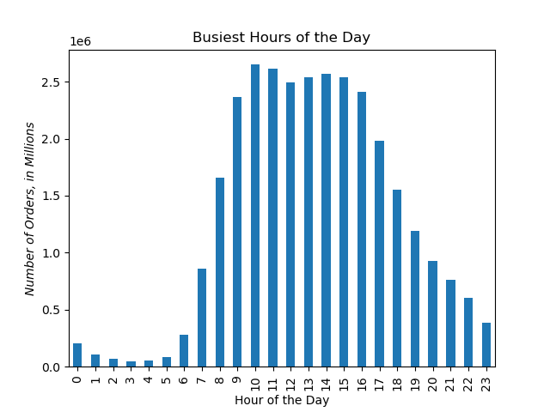

Busiest Days of the Week

Number of Orders, in Millions

 |  |  |  |  |  |  |  |  |  |  |  |  | 0 = Saturday
 |  |  |  |  |  |  |  |  |  |  |  |  | 1 = Sunday
 |  |  |  |  |  |  |  |  |  |  |  |  | 2 = Monday
 |  |  |  |  |  |  |  |  |  |  |  |  | 3 = Tuesday
 |  |  |  |  |  |  |  |  |  |  |  |  | 4 = Wednesday
 |  |  |  |  |  |  |  |  |  |  |  |  | 5 = Thursday
 |  |  |  |  |  |  |  |  |  |  |  |  | 6 = Friday

 | Answer: According to these visualizations, the busiest days of the week are Saturday and Sunday and the busiest times of the day are from 10:00am to 3:00pm.
 | To schedule ads at times when there are fewer orders, the marketing team should focus their energy on Tuesdays and Wednesdays anytime from 10am to 7:00pm.

Question 2
 | They also want to know whether there are particular times of the day when people spend
 | the most money, as this might inform the type of products they advertise at these times.

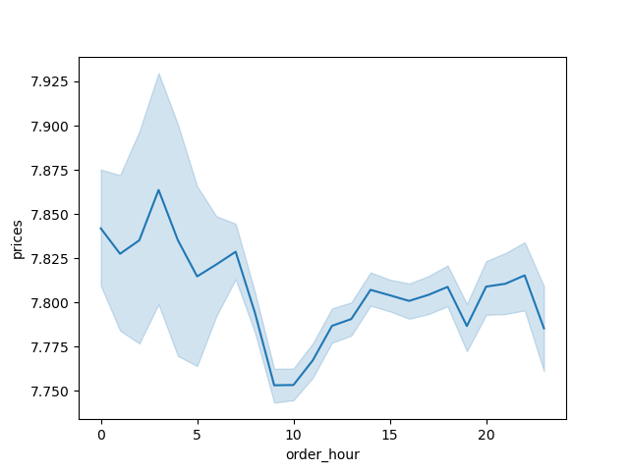

 |  |  |  |  |  |  |  | Answer: Although the highest number of orders occurs at 10:00am, there is a slightly higher
 |  |  |  |  |  |  |  | average spend for orders placed in the early hours of the morning, between 12:00am and 5:00am.

Question 4
 | Are there certain types of products that are more popular than others? The marketing and
 | sales teams want to know which departments have the highest frequency of product orders.
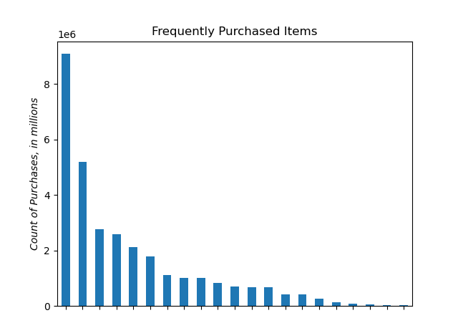

 |  |  |  |  |  |  |  |  |  | department
 |  |  |  |  |  |  |  |  | produce | 9079273
 |  |  |  |  |  |  |  |  | dairy eggs | 5177182
 |  |  |  |  |  |  |  |  | snacks | 2766406
 |  |  |  |  |  |  |  |  | beverages | 2571901
 |  |  |  |  |  |  |  |  | frozen | 2121731
 |  |  |  |  |  |  |  |  | pantry | 1782705
 |  |  |  |  |  |  |  |  | bakery | 1120828
 |  |  |  |  |  |  |  |  | canned goods | 1012074
 |  |  |  |  |  |  |  |  | deli | 1003834
 |  |  |  |  |  |  |  |  | dry goods pasta | 822136
 |  |  |  |  |  |  |  |  | household | 699857
 |  |  |  |  |  |  |  |  | meat seafood | 674781
 |  |  |  |  |  |  |  |  | breakfast | 670850
 |  |  |  |  |  |  |  |  | personal care | 424306
 |  |  |  |  |  |  |  |  | babies | 410392
 |  |  |  |  |  |  |  |  | international | 255991
 |  |  |  |  |  |  |  |  | alcohol | 144627
 |  |  |  |  |  |  |  |  | pets | 93060
 |  |  |  |  |  |  |  |  | missing | 64768
 |  |  |  |  |  |  |  |  | other | 34411
 |  |  |  |  |  |  |  |  | bulk | 33451

 |  | Answer: produce, dairy eggs, snacks and beverages are the most frequently purchased items among Instacart customers.

Question 5
 | The marketing and sales teams are particularly interested in the different types of
 | customers in their system and how their ordering behaviors differ
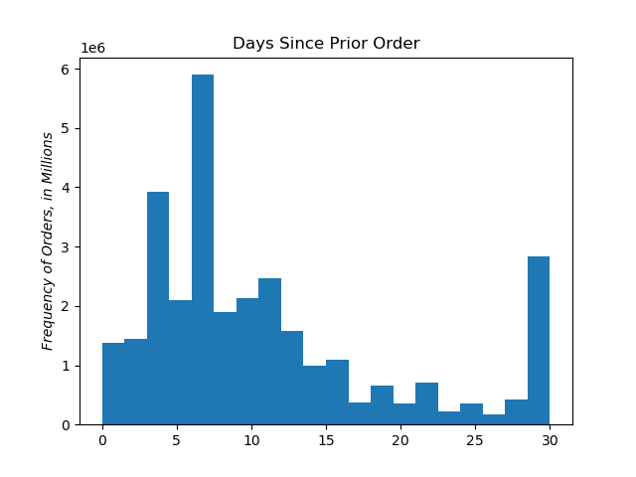

 |  |  |  |  |  |  |  | Question:
 |  |  |  |  |  |  |  | What’s the distribution among users in regards to their brand loyalty?

 |  |  |  |  |  |  |  | Answer:
 |  |  |  |  |  |  |  | A high percentage of users order frequently, every 4-11 days. A small
 |  |  |  |  |  |  |  | percentage order less frequently, every 17 to 28 days. A large number order
 |  |  |  |  |  |  |  | every 29 days, which should be investigated further. If there is an incentive
 |  |  |  |  |  |  |  | program that targets customers who haven't ordered that month, this number
 |  |  |  |  |  |  |  | would be easily explained.

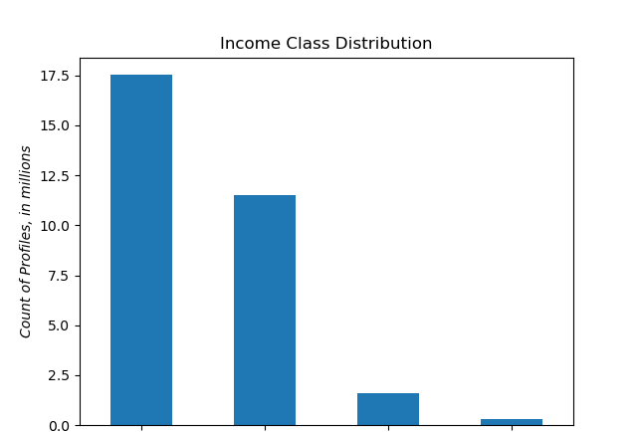

 |  |  |  |  |  |  |  | Question:
 |  |  |  |  |  |  |  | What different classifications does the demographic information suggest? Age?
 |  |  |  |  |  |  |  | Income? Certain types of goods? Family status?

 |  |  |  |  |  |  |  | Answer: There is a high percentage of middle class customers, followed by the working class. There are
 |  |  |  |  |  |  |  | very few low income and upper class customers in the Instacart database.
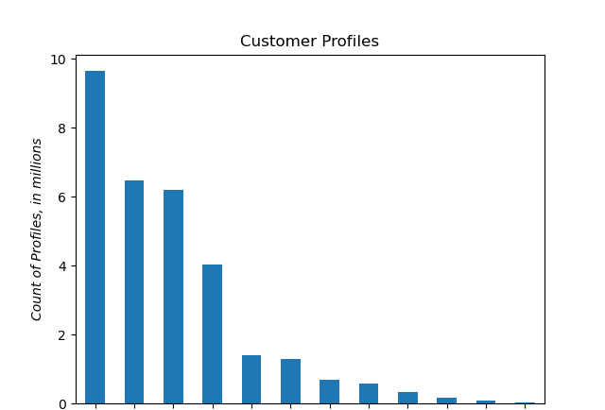

 |  |  |  |  |  |  |  |  |  |  | Profiles from largest to smallest
 |  |  |  |  |  |  |  |  |  |  | 1. Middle Aged Adult, Middle class
 |  |  |  |  |  |  |  |  |  |  | 2. Senior Adult, Middle class
 |  |  |  |  |  |  |  |  |  |  | 3. Young Adult, Working class
 |  |  |  |  |  |  |  |  |  |  | 4. Middle-Aged Adult, Working class
 |  |  |  |  |  |  |  |  |  |  | 5. Young Adult, Middle class
 |  |  |  |  |  |  |  |  |  |  | 6. Senior Adult, Working class
 |  |  |  |  |  |  |  |  |  |  | 7. Middle-Aged Adult, Low income
 |  |  |  |  |  |  |  |  |  |  | 8. Young Adult, Low income
 |  |  |  |  |  |  |  |  |  |  | 9. Senior Adult, Low income
 |  |  |  |  |  |  |  |  |  |  | 10. Middle-Aged Adult, Upper class
Middle Class
Working Class
Low Income
Upper Class
 |  |  |  |  |  |  |  |  |  |  | 11. Senior Adult, Upper class
 |  |  |  |  |  |  |  |  |  |  | 12. Young Adult, Upper class

 |  | Department |  | Number of Dependents |  |  | Question:
 |  |  | 0 | 1 | 2 | 3 | Does the number of dependents have an effect on which items are purchased?
 |  | alcohol | 36827 | 35799 | 34668 | 37333
 |  | babies | 103328 | 99905 | 104574 | 102585 | Answer: No. Purchases are consistent across all departments for 0, 1, 2 and 3
 |  | bakery | 281395 | 280390 | 279221 | 279822 | dependents.
 |  | beverages | 645341 | 638747 | 646886 | 640927
 |  | breakfast | 166432 | 169242 | 167854 | 167322
 |  | bulk | 8000 | 8573 | 8475 | 8403
 |  | canned goods | 251020 | 253013 | 252716 | 255325
 |  | dairy eggs | 1294376 | 1297659 | 1288883 | 1296264
 |  | deli | 253382 | 247893 | 249967 | 252592
 |  | dry goods pasta | 204296 | 204798 | 204630 | 208412
 |  | frozen | 529348 | 525949 | 534026 | 532408
 |  | household | 171358 | 175708 | 176507 | 176284
 |  | international | 64461 | 64753 | 63304 | 63473
 |  | meat seafood | 165878 | 169256 | 168224 | 171423
 |  | missing | 15935 | 16013 | 16385 | 16435
 |  | other | 8714 | 8720 | 8600 | 8377
 |  | pantry | 443904 | 446087 | 446558 | 446156
 |  | personal care | 106205 | 105971 | 105815 | 106315
 |  | pets | 23602 | 23815 | 22501 | 23142
 |  | produce | 2275441 | 2258458 | 2257655 | 2287719
 |  | snacks | 690438 | 688357 | 695812 | 691799

